Sheet2
Spotify | Spotify Dashboard
Home | Your Music | Your value | Your Stats
Songs
Artists
Albums | Total Plays |  |  | Listening Time | Total Songs | Top Artist Plays
Playlists
 | 151366 |  |  | 538745.1 | 100 | Diljit Dosanjh

Top 10 Songs by Plays
 | Total
Apna Bana Le | 6517
Gul | 6260
Kesariya | 5325
Lover | 10533
Param Sundari | 4908
Shape of You | 5210
Sun Raha Hai | 5939
Sunflower | 5071
Tauba Tauba | 10978
Teri Baaton Mein Aisa Uljha Jiya | 5891
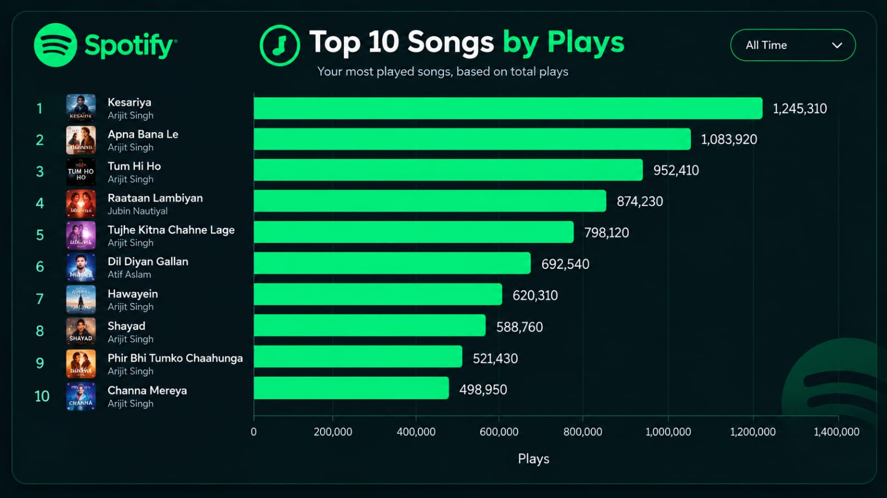
Listening Minutes
 | Total
January | 31867.3
February | 57263.5
March | 22670.9
April | 82450.1
May | 59319.7
June | 14936.5
July | 59438.5
August | 62778.5
September | 47330
October | 24117.1
November | 39102.4
December | 37470.6

Top 10 Artists
 | Total
Anuv Jain | 8372
Arijit Singh | 31339
Diljit Dosanjh | 13207
Ed Sheeran | 8993
Jubin Nautiyal | 8551
Justin Bieber | 7979
Karan Aujla | 14393
Post Malone | 8211
Shreya Ghoshal | 18175
The Weeknd | 13523
Listening by language
 | Total
Bollywood | 261437.6
Hip-Hop | 32401.5
Indie | 28834.4
Pop | 128668
Punjabi | 78385
R&B | 9018.6

